Information
Text font and size: | regular | Tahoma 10pt
 | oversized | Tahoma 20pt

 |  |  | R | G | B
Background Colors used: |  | Header top | 96 | 134 | 53
 |  | Header background, Subchapter | 230 | 231 | 199
 |  | Column names | 118 | 185 | 40
 |  | Chapter | 131 | 62 | 57
 |  | Notes, warnings | 247 | 177 | 0
 |  | Supermatrix version background | 204 | 204 | 204

 |  |  | R | G | B
Text colors used: |  | PASS | 118 | 147 | 60 | Note: there's conditional formatting in effect in Column F. Don't format the values manually! After the test plan was developed: - open Conditional Formating / Manage Rules / - delete any other rules than these 5 - set "Applies to" field to the related part of Column F (PASS/FAIL... values)
 |  | FAIL | 255 | 0 | 0
 |  | BLOCKED | 226 | 107 | 10
 |  | NA | 0 | 112 | 192
 |  | NT | 0 | 0 | 0

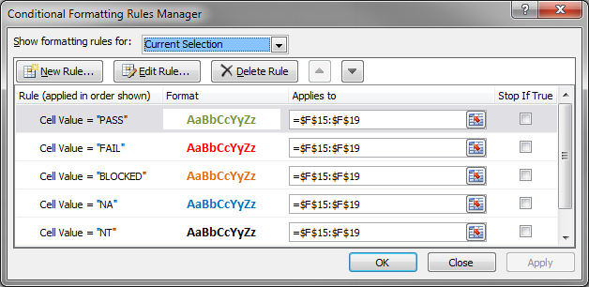
 |  |  | R | G | B
Tab leaf colors to be used: |  | General tabs | 118 | 185 | 40
 |  | General tabs alternative If you want to make some tabs look different | 126 | 34 | 113
 |  | Information (How to) tab | 247 | 177 | 0
 |  | Supermatrix (Coverage) | 0 | 90 | 195
 |  | Regression | 220 | 36 | 31

Column width values |  | ID: auto-size (23 pt)
 |  | Priority: auto-size (7.14 pt)
 |  | Summary: 25 pt
 |  | Procedure: 45 pt
 |  | Expected output: 45 pt
 |  | Result: auto-size (8.29 pt)
 |  | Comments: 30 pt

Test case IDs |  | IDs make test cases identifyable outside the test plan. All of them has to be uniuqe. It's easier to define them with a function than adding them manually.

